1
 | HEYAN ENGINEERING POLAND SPÓŁKA Z OGRANICZONĄ ODPOWIEDZIALNOŚCIĄ
RFQ
Project name | SK Polska |  |  |  |  | Contact person | Xin Wang |  |  | Date | 2021-11-08
Delivery address |  |  |  |  |  | e-mail: | wxin@heyan-group.com |  |  | Nr
Company address | ul. PAŃSKA 96, lok. 26, 00-837, WARSZAWA, Poland |  |  |  |  | tel: | +48 604811234 |  |  | Responsible person | Jun Jin
Lp. | Name | Dimension | Unit | Quantity for one line | Total quantity for 8 lines | unit price | Value | Delivery time | The brand of the product | Remarks
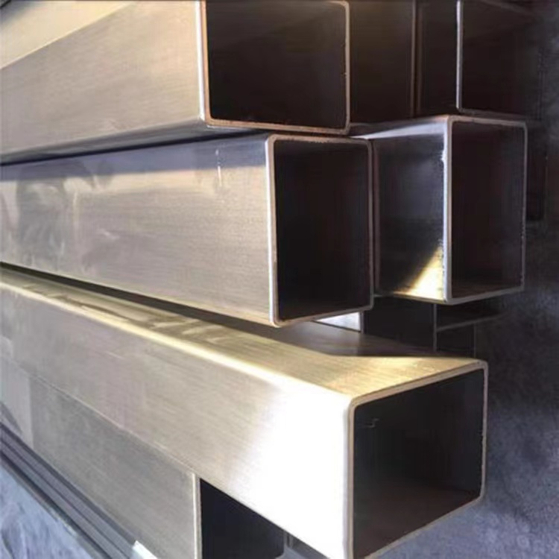
1 | SUS 304 FRAME (surfaces: brushed) | 100*100*3T | m | 521 | 4168
2 | SUS 305 FRAME (surfaces: brushed) | 100*100*2.5T | m | 155 | 1240
3 | SUS 306 FRAME (surfaces: brushed) | 100*100*1.5T | m | 22 | 176
4 | SUS 307 FRAME (surfaces: brushed) | 100*50*1.5T | m | 175 | 1400
5 | SUS 308 FRAME (surfaces: brushed) | 100*50*2T | m | 162 | 1296
6 | SUS 309 FRAME (surfaces: brushed) | 50*50*2T | m | 263 | 2104
 | Sum |  |  |  | 10384

